Thoughts on papers
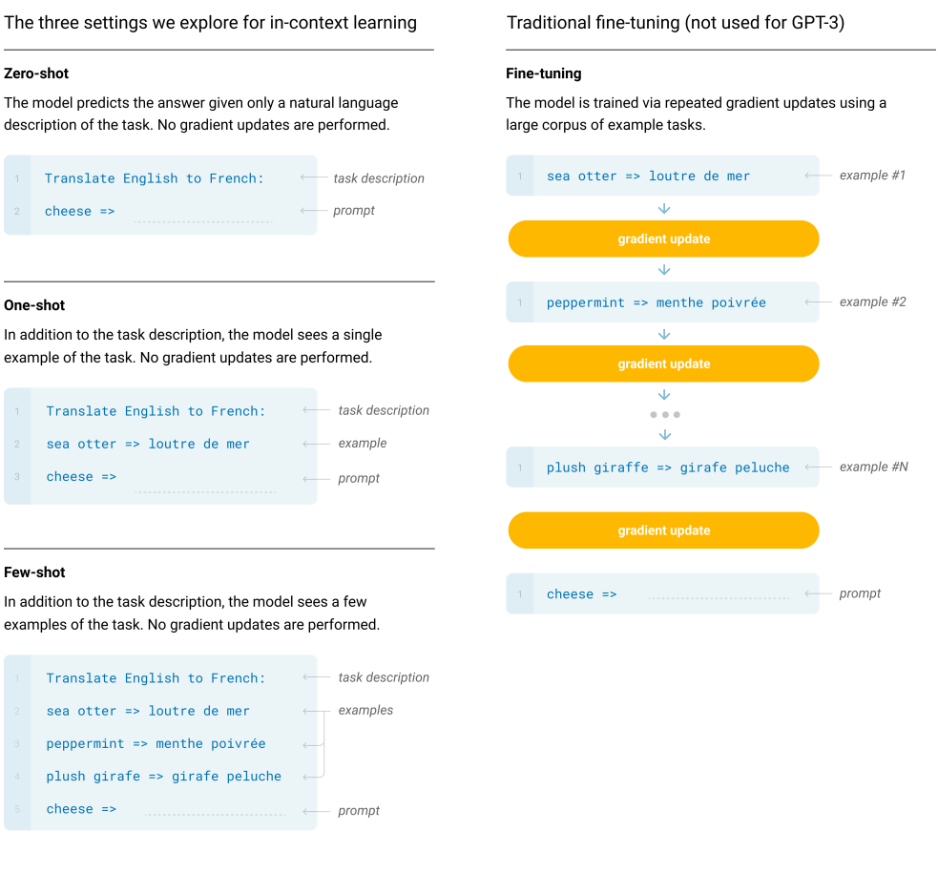
Reviews | Label | Paper | Initial Thoughts | Journal | Link | Method | Question | Application/Context | Data | Finding
 | GPT-3 Agent | Using cognitive psychology to understand GPT-3 |  | PNAS | https://www.pnas.org/doi/epdf/10.1073/pnas.2218523120 |  | How does GPT-3 think | Cognititive Pyscology view (how GPT-3 thinks). | GPT generatied. Famous cognitive psychology experiments | GPT-3 is sensitive, sucks at causal reasoning. It sucks at Cognitive Reflection Tests (CRT). That means they don't reflect long enough before they make their decision. An intuitive answer comes to mind, but on closer reflection, such an answer is wrong. GPT-3 did not reach human-performance levels in task-based investigations. Fig. 6. shows its sensitiveness
 | LLMs | On the Opportunities and Risks of Foundation Models | Stanford lab | Arxiv | https://arxiv.org/pdf/2108.07258.pdf |  |  |  |  | Stanford lab's view on opportunities with these large general LLMs. Park et al comes from this lab. No mention of agent-based modelling here. All agent mentions are not what Joon Park thought of.
 | LLMs | Language Models are Few-Shot Learners | OpenAI | Arxiv | https://arxiv.org/pdf/2005.14165.pdf |  |  |  |  | OpenAI shows the Few-shot performance performs better than one or zero shot (when multiple (more than 1) examples are provided) (they test with 10 to 100 examples in the few-prompt) | Few shot learning is about #examples. Chain of thought is how examples are explained. Chain prompting is multiple prompts to break down information
 | Dynamic Characters | Alice and Kev: The Story of Being Homeless in The Sims 3 | Cool blog about how SIMs experiencing homeless evolve in the 2009 game | Wordpress | https://aliceandkev.wordpress.com/ |  |  |  |  | Just fun article of demonstrating homelessness in the SIMs
 | Memory Architecture | A Believable Agent for First-Person Shooter Games | An original memory architecture from Stanford | AAAI | https://ojs.aaai.org/index.php/AIIDE/article/view/18787/18561 |  |  |  |  | 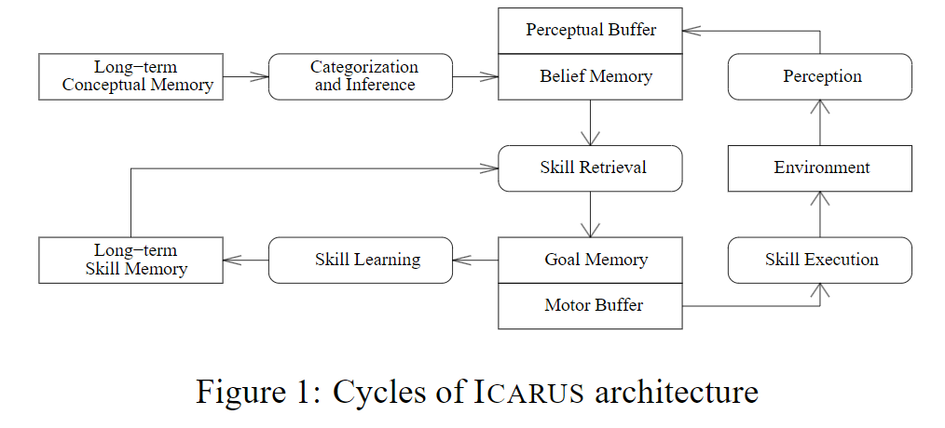 Stanford has been pursuing believable agents for a long time. The main players in this space are Laird (with the SOAR architecture) and now them with ICARUS in 2007. Unlike SOAR, ICARUS pstarts to provide what is now today known as a memory stream. ACT-R (by Anderson 1993) is another framework. Like previous frameworks, ICARUS distinguishes short and long-term memories, and has recognize-act structures. ICARUS is unique in that introduces the following novel features. 1. skill memories and now introduced. Memories of agent's goal list is also introduced.
 | Memory Architecture | A Game AI Approach to Autonomous Control of Virtual Characters |  | Conference | https://course.ccs.neu.edu/cs5150f13/readings/dill_granny.pdf |  |  |  |  | 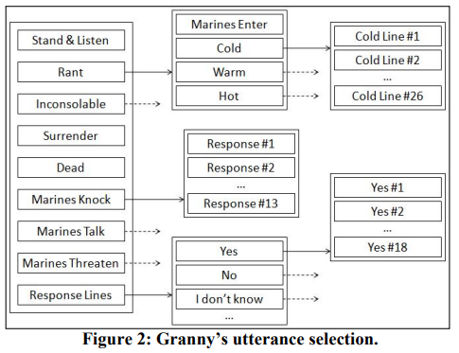 Paper that uses Behavior Trees. BTs come from 2005 Game Developers Conference. It is like a selecting algorithm until it arrives at a concrete option. There are details about it but it is nothing too special beyond another algorithm. Not language based. It has quantiative inputs to inform its decision.
 | Mimicing Human Behavior | Augur: Mining Human Behaviors from Fiction to Power Interactive Systems | Stanford Bernstein paper | CHI Conference Human Factors | https://arxiv.org/pdf/1602.06977.pdf |  |  |  |  | Bernstein Stanford Paper: trained a rudamentry LLM on fiction works so when some person takes an action, it predicts what the most likely next action may be. End goal is to predict human acitivies
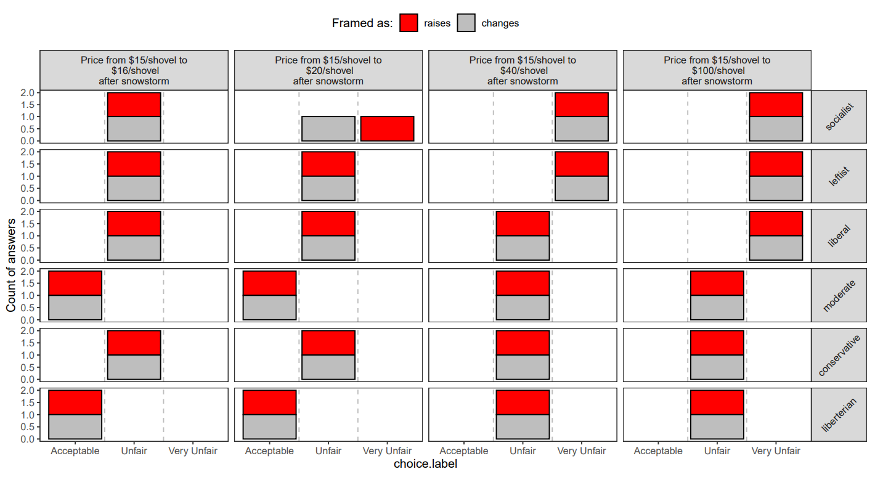
 | Generating Synthetic Data | Evaluating Large Language Models in Generating Synthetic HCI Research Data: a Case Study | TBD | ACM | https://dl.acm.org/doi/10.1145/3544548.3580688 |  |  |  |  | Wants evaluation feedback for Human-computer interaction content. So they use GPT-3 to facilitate that feedback. Humans thought GPT-3 sounded more like a human than actual humans responding. They investigated when GPT-3 is wrong or answers differently than expected. When asking whether GPT-3 can give realistic HCI feedback, they found that it did an exceptional job. Davinci or text-davinci was best submodels. Potentially text-davinci v2 was getting more precise but less human-like
 | Application NLP | Interactive Fiction Games: A Colossal Adventure | Text-game with language-based agents | AAAI | https://ojs.aaai.org/index.php/AAAI/article/view/6297 |  |  |  |  | Jericho, a text-based IF game. Using Janky NLP. It is like MADLIBs for a what if game. Weird NLP used in 2020
 | Important | STEAMER: An Interactive Inspectable Simulation-Based Training System | Old paper | AI Magazine | https://ojs.aaai.org/aimagazine/index.php/aimagazine/article/view/434 |  |  |  |  | Historical use of using AI to help propultion engineers by providing instruction through a training system
 | GPT-3, Agent | . Large Language Models as Simulated Economic Agents: What Can We Learn from Homo Silicus? | Paper Aritra mentioned | ArXiv | https://arxiv.org/pdf/2301.07543.pdf |  |  |  |  | GPT-3, has an interesting comment on "garbage in, garbage out". Great intro trying to validate why this may be a viable technique. Comments on ABM. This guy got the idea. Cool breakdown
 | Memory Stream | Inner Monologue: Embodied Reasoning through Planning with Language Models | TBD | ArXiv | https://arxiv.org/pdf/2207.05608.pdf |  |  |  |  | Closed loop feedback for robotics control. Uses perception models, robotic skills, and human feedback to put in its shared language prompt model to succesfully perform user instructions. Inner monologue chain. Pre-trained LLM used. Robots are adaptive to new instructions. Also allows for interavtive dialogue.
 | Historical , Personas | Consistency of personality in interactive characters: verbal cues, non-verbal cues, and user characteristics | TBD | ScienceDirect | https://www.sciencedirect.com/science/article/abs/pii/S1071581900903689 |  |  |  |  | 2000s paper that illustrates the fact of why believable characters are necessary. They have "agents with verbal and non-verbal cues. They show some agents with the incorrect matching verbal and non-verbal cues. Had 3D manikan looking thing and text
 | Prompting | PromptMaker: Prompt-based Prototyping with Large Language Models | TBD | ACM | https://dl.acm.org/doi/pdf/10.1145/3491101.3503564 |  |  |  |  | Prompting LLMs to create ML programs sped up prototyping time. This is a case study. They created this PromptMaker tuned on a LLM. Nice UI too
 | Memory Stream | Demonstrate-Search-Predict: Composing retrieval and language models for knowledge-intensive NLP | TBD | Arxiv | https://arxiv.org/abs/2212.14024 |  |  |  |  | Creating a LM RM retrieval mechanism that improves LM resuls. "Multi-Hop DSP Program". Seems like early chain of thought
 | AI, Agent | Socially situated artificial intelligence enables learning from human interaction | Michael Berstein | PNAS | https://www.pnas.org/doi/epdf/10.1073/pnas.2115730119 |  |  |  |  | Rather than training the agent one time using AI, what if continued to learn social interactions via social media. So treat the agent more like a human with continuous learning vs that of isolation. AI asks questions to human on social media to become more informed. Two goals for AI: 1. to initiate social interactions that people want to respond with informative data and another to improve its underlying model by gathering useful data. It gets better and works.
 | Memory Architecture | The Soar Cognitive Architecture | Textbook on having a computer think like a computer (John E. Laird) | MIT Press | https://mitpress.mit.edu/9780262538534/the-soar-cognitive-architecture/ |  |  |  |  | "In development for thirty years, Soar is a general cognitive architecture that integrates knowledge-intensive reasoning, reactive execution, hierarchical reasoning, planning, and learning from experience, with the goal of creating a general computational system that has the same cognitive abilities as humans. In contrast, most AI systems are designed to solve only one type of problem, such as playing chess, searching the Internet, or scheduling aircraft departures. Soar is both a software system for agent development and a theory of what computational structures are necessary to support human-level agents."
 | Memory Architecture | A Standard Model of the Mind: Toward a Common Computational Framework Across Artificial Intelligence, Cognitive Science, Neuroscience, and Robotics | TBD | AI Magazine | https://ojs.aaai.org/aimagazine/index.php/aimagazine/article/view/2744 |  |  |  |  | 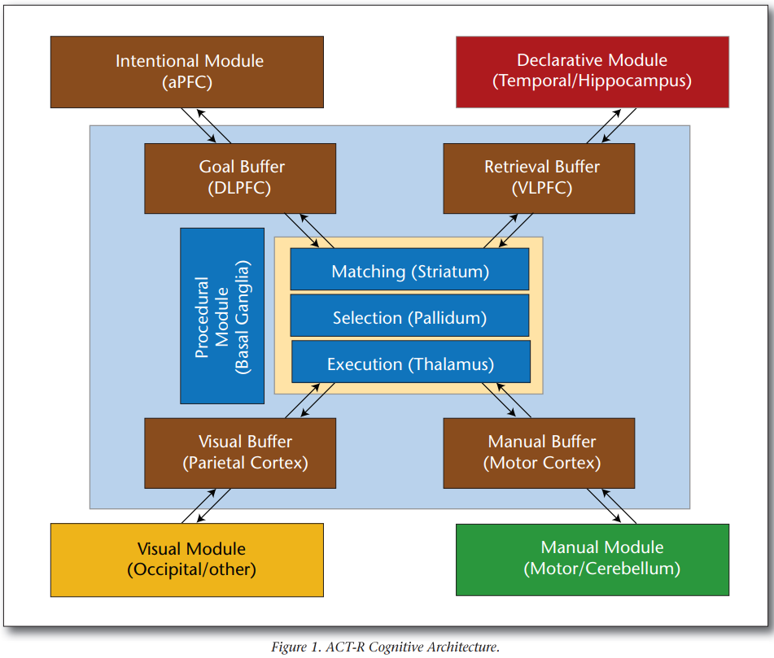 Synthesis of all cogntive architectures: ACT-R, Sigma, and Soar (does not mention ICARUS). Lisp, Clarion, LIDA I have not heard for. Ok, breakdown: from cognitive science, ACT-R, Clarion, LIDA attempt to account for detailed behavioral data from controlled experiments involving memory, problem-solving and perceptual-motor interactionn. For AI, arhitectures such as Soar and Sigma focus on developing functional capabilities and applying them to tasks such as NLP, control of intelligent agents in simulations, virtual humans, and embodied robots. In neuroscience, architectures such as Leabra and Spaun adopt mechanisms and organizations compatible with the human brain, but primarily apply them to simple memory and decision-making tasks. In robotics, architectures such as 4D/RCS and DIARC concern themselves with real-time control of physical robots. Lack of consensus between architectures. One recent attempt to bring different threads back together was: "generic architectures for humanlike cognition" which placed CogPrime, CogAff, 4D/RCS, and deep learning together. This article develops a standard model grounded in Soar, ACT-R, and Sigma. ACT-R is asynchronous modules running to inform following procedures. Soar is also asynchronous modules . It is more memory focused. Sigma sort of combines ACT-R and Soar. Standard model: all long-term memories have one or more associated learning mechanisms that automatically store, modify, or tune information based on the architecture's processing |  | 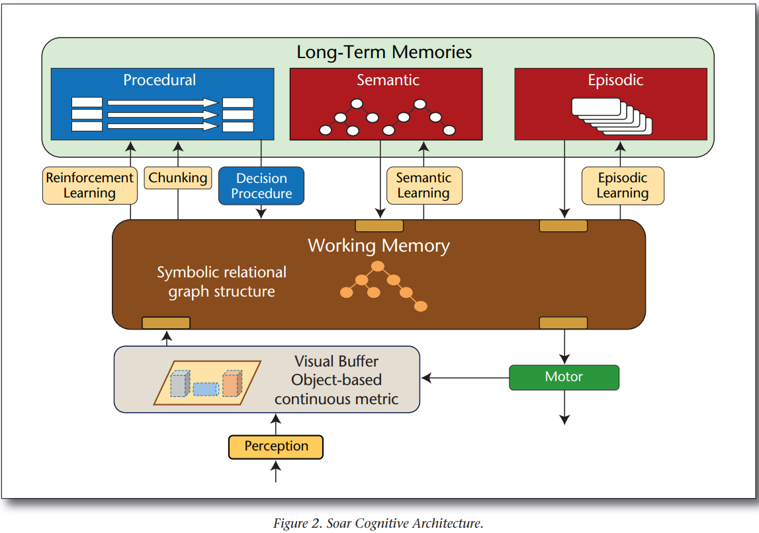 | 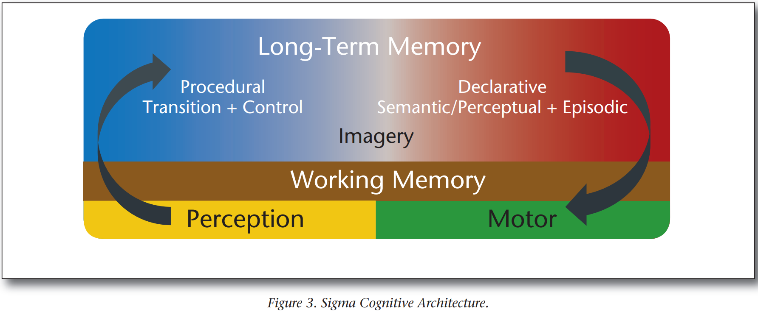 | 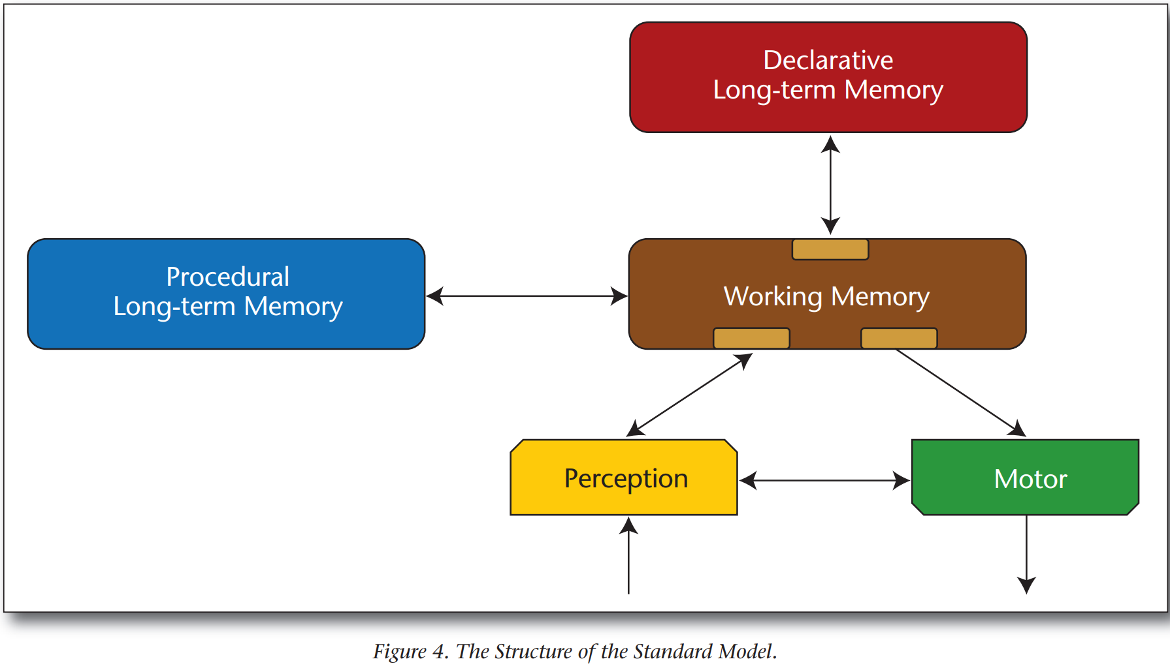
 | Application GPT | Model Sketching: Centering Concepts in Early-Stage Machine Learning Model Design. Proceedings of the SIGCHI Conference on Human Factors in Computing Systems | Bernstein | ACM Conference | https://dl.acm.org/doi/abs/10.1145/3544548.3581290 |  |  |  |  | Model Sketching: a technical framework for iteratively and rapidly authoring functional approximations of a machine learning model's decision-making logic.
 | Memory Architecture | Interleaving Learning , Problem Solving , and Execution in the Icarus Architecture | Stanford Memory |  | https://citeseerx.ist.psu.edu/document?repid=rep1&type=pdf&doi=b570b1b2299cc02faf6a811069bfa2fa49682787 |  |  |  |  | In depth review of how ICARUS works. Presents its own thing, but I don't care
 | Memory Stream | What Makes Good In-Context Examples for GPT-3? | Microsoft | Arxiv | https://arxiv.org/pdf/2101.06804.pdf |  |  |  |  | Sensitivity analysis for GPT-3 (2020). They are tuning GPT-3 by few-shoting. Sort of irrelevant
 | Historical, Agents, AI | Artificial life meets entertainment: lifelike autonomous agents | 1995 | ACM | https://dl.acm.org/doi/10.1145/219717.219808 |  |  |  |  | There has always been a goal of modeling lifelike agents
 | GPT3, Agents, Persona | Social Simulacra: Creating Populated Prototypes for Social Computing Systems | Social Simulacra | ACM | https://dl.acm.org/doi/pdf/10.1145/3526113.3545616 |  |  |  |  | Park et al. is simulating reddit community guidelines. They create rules, see how agents will react, and repeat the process. It is a way to get insight into human behavior
 | Memory Architecture | Coordinating Agents with Behavior Trees | Multi-agent interactions | Blog | https://docs.cryengine.com/display/SDKDOC4/Coordinating+Agents+with+Behavior+Trees |  |  |  |  | Not usable really for us. It is how beahvior trees link up and how agents can interact with each other in real-time. It is like a tutorial but more so a CS thing
 | Persona Evaluator | An Objective Character Believability Evaluation Procedure for Multi-Agent Story Generation Systems | Evaluation metric for character belieavability | Conference | https://www.cp.eng.chula.ac.th/~vishnu/gameResearch/story_november_2005/riedl-objectivecharacter-iva.pdf |  |  |  |  | An evaluation criteria of how believable a story is. They use a QUEST system to validate human question-answering in the context of stories. They apply it to a story generation system
 | Human Agent Interaction | Evaluation of Human-AI Teams for Learned and Rule-Based Agents in Hanabi | Indicating Human preference towards Rules-based AI agents. | Arxiv | https://arxiv.org/pdf/2107.07630.pdf |  |  |  |  | Humans prefer working with rule-based agents over learning-bots and both over human teammates. Classic ML work.
 | Memory Stream | An Information-theoretic Approach to Prompt Engineering Without Ground Truth Labels | TBD | Association for Computational Linguistics | https://aclanthology.org/2022.acl-long.60.pdf |  |  |  |  | The goal of this paper is how to prompt really well with pretrained LLMs (those without finetuning). They find that Mutual Information is the most important thing for high prompt accuracy. Mutual information is a metric that quantifies the shared information between two random variables. They just do similiar examples for "mutual information". I think that is the significance of this paper
 | Historical, Agents, AI | Intelligent Agents for Interactive Simulation Environments | 1995 Article but worth a read | AI Magazine | https://ojs.aaai.org/aimagazine/index.php/aimagazine/article/view/1121 |  |  |  |  | They use Soar to overcome rules-based expert systems. Airforce simulation from 1995
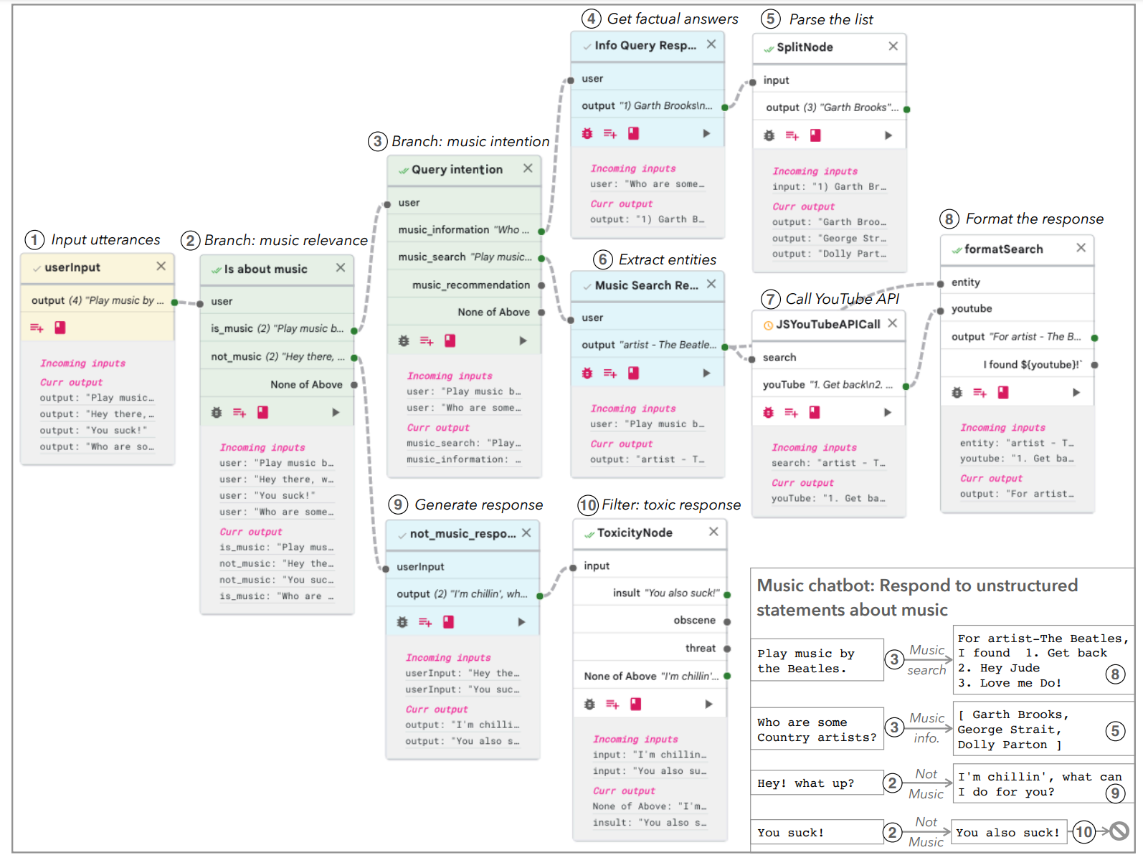
 | Prompting | A General Inductive Approach for Analyzing Qualitative Evaluation Data | TBD | SageJournal | https://journals.sagepub.com/doi/10.1177/1098214005283748 |  |  |  |  | Paper is about how to disect qualitative data It goes into text-coding analysis
 | AI Agents | Believable and Effective AI Agents in Virtual Worlds: Current State and Future Perspectives | Believability of agent behavior | Interantional Journal of Gaming and Computer-Mediated Simulations | https://www.lri.fr/~caillou/umr12.pdf |  |  |  |  | Believability and AI effectiveness in virtual worlds. Learning behavioral patterns presumably increases believability. Not super scientific, but does give good ways on how to test whether your agents are believable
 | Memory Architecture, Prompting | Chain-of-Thought Prompting Elicits Reasoning in Large Language Models | TBD | ArXiv | https://arxiv.org/abs/2201.11903 |  |  |  |  | Seminal paper in how agents reason. It is important to write out step-by-step for LLMs. It is adding chain of thought in a single prompt. They are binary classifying ouputs
 | Memory Architecture, Prompting | PromptChainer: Chaining Large Language Model Prompts through Visual Programming | TBD | Arxiv | https://arxiv.org/abs/2203.06566 |  |  |  |  | A different flavor of chain-of-thought. Uses multiple prompts to distinguish what task should be taken. You give examples of what the correct program response would be to direct it to the next prompt
 | Memory Architecture, Prompting | Transparent and Controllable Human-AI Interaction by Chaining Large Language Model Prompts. | TBD | ACM | https://dl.acm.org/doi/abs/10.1145/3491102.3517582 |  |  |  |  | Foundation paper for different flavor for chain-of-thought. Not hyper useful/different compared to the paper above
 | Theory of interactive agents | Towards Implementation of Social Interaction | TBD | AAAI | https://aaai.org/papers/0019-towards-implementation-of-social-interaction/ |  |  |  |  | Non-quantitative paper that just vaguely theorizes what may happen in 2002
From Lit review paper: | Generative Agent Lit Review | A Survey on Large Language Model based Autonomous Agents | TBD | Arxiv | https://arxiv.org/pdf/2308.11432.pdf |  |  |  |  | Foundational Literature Review of Generative/Autonomous Agents
 | Generative Agent | Are you in a Masquerade? Exploring the Behavior and Impact of Large Language Model Driven Social Bots in Online Social Networks | From Lit Review (Survey on LLM based Autonomous Agents) | Arxiv | https://arxiv.org/pdf/2307.10337.pdf |  |  |  |  | There is a public social media all created by persona bots lmao. They just datascrape it to do analysis. That is wild. It compares how these bots differ from actual humans in terms of social media behavior.
 | Generative Agent | AgentSims: An Open-Source Sandbox for Large Language Model Evaluation | From Lit Review (Survey on LLM based Autonomous Agents) | Arxiv | https://arxiv.org/pdf/2308.04026.pdf |  |  |  |  | Recommends task-based recommendations to test LLM's overall ability. Introduces AgentSims to streamline task design for creating SIMs worlds
 | Generative Agent | https://arxiv.org/pdf/2307.07871.pdf | From Lit Review (Survey on LLM based Autonomous Agents) | Arxiv | https://arxiv.org/pdf/2307.07871.pdf |  |  |  |  | Creates a SocialAI school platform to generate enviroments to simplify conducting experiments. They use reinforcement learning agents. Methodology is unclear.
 | Generative Agent | Quantifying the Impact of Large Language Models on Collective Opinion Dynamics | From Lit Review (Survey on LLM based Autonomous Agents) | Arxiv | https://arxiv.org/ftp/arxiv/papers/2308/2308.03313.pdf |  |  |  |  | Creates an opinion dynamic model. Some agents use LLM, some rely partially, some rely not at all to inform opinion. Methodology is unclear…
 | Generative Agent | PersonaLLM: Investigating the Ability of GPT-3.5 to Express Personality Traits and Gender Differences | TBD | Arxiv | https://arxiv.org/pdf/2305.02547.pdf |  |  |  |  | Big 5 persona for ChatGPT. MIT study from Guina pigbots. Shows the big five traits we should use
 | Generative Agent | Playing repeated games with Large Language Models |  | Arxiv | https://arxiv.org/pdf/2305.16867.pdf |  |  |  |  | Runs Prisoner Dilemna and battle of the sexes
 | Prompt Sensitivity | On the Robustness of Dialogue History Representation in Conversational Question Answering: A Comprehensive Study and a New Prompt-based Method |  | Arxiv | https://arxiv.org/abs/2206.14796 |  |  |  |  | Fine-tuned models. Can be sensitive to added sentences.
 | Generative Agent | “Guinea Pig Trials” Utilizing GPT: A Novel Smart Agent-Based Modeling Approach for Studying Firm Competition and Collusion |  | Arxiv | https://arxiv.org/ftp/arxiv/papers/2308/2308.10974.pdf |  |  |  |  | Amazing paper on GABM like structure that introduces tacit collusion. Dynamic
 | Prompt Sensitivity | On Robustness of Prompt-based Semantic Parsing with Large Pre-trained Language Model: An Empirical Study on Codex |  | Arxiv | https://arxiv.org/pdf/2301.12868.pdf |  |  |  |  | Not robust to adversarial strategies

